Sheet1
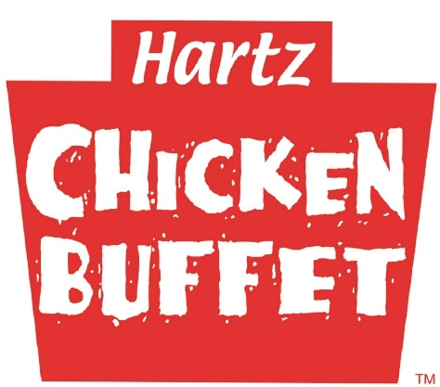

Royalty & Advertising Fund Fees Reporting
 |  |  | HCB #
 | For Sales Weekending

Royalty payable to: |  |  | Hartz®Franchise Restaurants, Ltd.
 | Net sales |  |  | $
 | Royalty percentage |  |  |  | 4%
 | Payment due |  |  | $ | 0.00

Advertising fee payable to:
Hartz®Franchise Restaurants, Ltd. Advertising Co-op Fund

 | Advertising percentage |  |  |  | 2%
 | Advertising due |  |  | $ | 0.00

Payments are due at HFR Corporate Headquarters on each Thursday
 | for the prior week's sales.
Please attach a copy SALES TAX RETURN and MONTHLY PROFIT AND LOSS
 | STATEMENT when completed each month & or period.
Mail your payments to the corporate office:
 |  | Hartz® Franchise Restaurants, Ltd.
 |  | 16670 Stuebner Airline Road
 |  | Spring, Texas 77379

